Overview
Risk Analysis & Method Description (ISO 25119:2, Clause 6)
Risk Analysis Overview
 | If a safety related control system is identified, a risk analysis must be performed.
 | The architecture of the control system's parts is not considered as part of the risk analysis. The risk analysis answers how much danger an operator is exposed to with the safety-related control system in question. The greater the danger, the more sophisticated the safety aspects of the system must be to recover from a malfunction and best protect the operator from harm.
 | Operating conditions in which the system can initiate hazards when correctly used shall be considered. The standard also says that these operating conditions include "reasonable foreseeable human operating errors and part failures," which seems contradictory to the previous sentance.
 | Operating conditions consist of common modes of operation, operator conditions (whether in seat or not), normal machine conditions (e.g. machine speed), and normal operator inputs (e.g. whether operator is already steering before malfunction). Abnormal machine conditions that may occur in the event of a malfunction are identified. Physical obstacles (including bystanders) are identified and their corresponding result that may cause harm to the operator and/or bystander if an unexpected machine reaction from a malfunction occurs (e.g. obstacle is a ditch and result is the machine rolling over).
 | The hazard scenarios are then created from all the operating conditions that can occur.
 | Each hazard scenario is graded based on severity of injury (to operator and/or bystander), exposure to the hazardous event, and possible avoidance of harm. These ratings are then used to calculate a required performance level (AgPLr).
 | Severity of Injury - | It must be asked, "how much physical injury could the operator and/or bystander receive if all the operating conditions within the hazard scenario occured?" The significance of the harm is divided up into 4 different categories:
 |  | If all hazard scenarios are determined to be S0, this would mean that damage is clearly limitied to property and does not involve injury to people. The system under analysis would recieve an AgPLr of QM which corresponds to a non-safety-related function, and so ISO 25119 would not apply.
 | Exposure to Hazardous Event - | Two questions must be asked when determining the exposure to the hazardous event:
 |  | 1 - | "How much time, out of the total machine operation time, is the operator exposed to the leading conditions of the scenario, where if malfunction would occur within the safety-related system, the resulting hazard would harm the operator and/or bystander?" --> DURATION
 |  | 2 - | "How many times could the operator be exposed to the leading conditions of the scenario?" --> FREQUENCY
 |  | 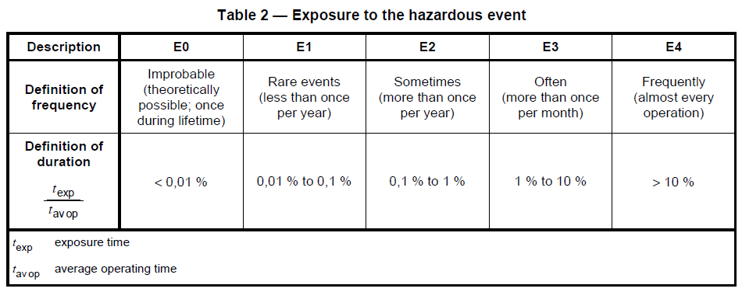 Both frequency and duration are considered when determining which out of the 5 exposure ratings apply to a given hazard scenario:
 |  | E0 is a lowest exposure rate, and E4 is the highest exposure rate. An exposure rate should be found based on frequency, and an exposure rate should be found based on duration. The highest exposure rating between the two is used for the hazard scenario.
 | Possible Avoidance of Harm - | It must be asked, "If the leading conditions of the scenario would occur, and a malfunction happens that causes the machine to behave unexpectedly, what is the possibility of a trained operator influencing the machine's controls, while on the verge of harm, to totally avert the hazard and the harm associated?" The possibility of the bystander avoiding the harm should also be considered. The possible avoidance of harm is graded with 4 different ratings:
 | For each hazard scenario, the 3 ratings are used to find the agricultural performance level (AgPL) value according to this diagram:
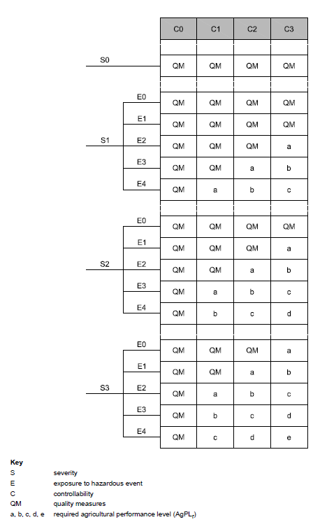

 | An AgPL of "a" has the lowest system requirements and an AgPL of "e" has the highest system requirements. Once every hazard scenario has been assigned an AgPL value according to their 3 ratings, the highest rated AgPL value is used for the AgPL of the entire safety-related system which is called the required agricultural performance level (AgPLr). This overall AgPLr value is what the system will be designed to.
Additional Comments About Risk Analysis From ISO 25119:3, Clause 5.4.2
 | The third document of ISO 25119 talks about documentation called the "Functional Safety Concept" which contains information from the risk analysis. "Safety functions are normally identified during the system risk analysis, and the functional safety concept document includes the funtional safety requirements for the system. The functional safety concept shall take into account all relevant safety goals derived from the risk analysis according to ISO 25119-2"

 | "The functional safety concept may be derived from the machine failure scenarios evaluted during a risk analysis. Each failure scenario descriptions shall include the following:

 |  | Environmental conditions (moving on an ice covered road, up-hill, down-hill, weather, etc.)
 |  | machine conditions (engine running, in-gear, standing still, etc.)
 |  | resulting AgPL
 |  | safe state descriptions (engine stopped, valve off, transmission in park, continue funtion at reduced performance, etc)

